Table 1
million, with a primary estimate of $106.33 million, annualized at the 7 |  | percent discount rate over 10 years, table 2. TABLE 2—SUMMARY OF ESTIMATED NET BENEFITS 1
Compliance rate 2 | Cost/benefit component |  |  |  | Low estimate ($mil) |  | Primary estimate ($mil) | High estimate ($mil)
45% .................................................. | Industry Costs ............................................................... |  |  |  | $1.16 |  | $1.50 | $1.84
 | Agency Cost .................................................................. |  |  |  | 0.06 |  | 0.10 | 0.18
 | Public Health Benefits ................................................... |  |  |  | 49.09 |  | 107.94 | 203.24
 | Net Benefits 3 ................................................................ |  |  |  | 47.87 |  | 106.33 | 201.22
1 All costs (savings) annualized at a discount rate of 7 percent over 10 years. Numbers in table may not sum to totals due to rounding. 2 Compliance rate for establishments initially not meeting the proposed standards, but then meeting the proposed standards over 2 years. 3 Numbers in the table may not sum to totals due to rounding.

USDA Non-Discrimination Statement In accordance with Federal civil rights law and U.S. Department of Agriculture (USDA) civil rights regulations and policies, the USDA, its Agencies, offices, and employees, and institutions participating in or administering USDA programs are prohibited from discriminating based on race, color, national origin, religion, sex, gender identity (including gender expression), sexual orientation, disability, age, marital status, family/ parental status, income derived from a public assistance program, political beliefs, or reprisal or retaliation for prior civil rights activity, in any program or activity conducted or funded by USDA (not all bases apply to all programs). Remedies and complaint filing deadlines vary by program or incident. Persons with disabilities who require alternative means of communication for program information (e.g., Braille, large print, audiotape, American Sign Language, etc.) should contact the responsible Agency or USDA’s TARGET Center at (202) 720–2600 (voice and TTY) or contact USDA through the Federal Relay Service at (800) 877–8339. Additionally, program information may be made available in languages other than English. To file a program discrimination complaint, complete the USDA Program Discrimination Complaint Form, AD– 3027, found online at https:// www.usda.gov/oascr/how-to-file-a- program-discrimination-complaint and at any USDA office or write a letter addressed to USDA and provide in the letter all of the information requested in the form. To request a copy of the complaint form, call (866) 632–9992. Submit your completed form or letter to USDA by: (1) Mail: U.S. Department of Agriculture, Office of the Assistant Secretary for Civil Rights, 1400 Independence Avenue SW, Washington, DC 20250–9410; (2) fax: (202) 690–7442; |  |  |  | USDA is an equal opportunity provider, employer, and lender. Additional Public Notification Public awareness of all segments of rulemaking and policy development is important. Consequently, FSIS will announce this Federal Register publication online through the FSIS web page located at: https:// www.fsis.usda.gov/federal-register. FSIS also will announce and provide a link to it through the FSIS Constituent Update, which is used to provide information regarding FSIS policies, procedures, regulations, Federal Register notices, FSIS public meetings, and other types of information that could affect or would be of interest to our constituents and stakeholders. The Constituent Update is available on the FSIS web page. Through the web page, FSIS is able to provide information to a much broader, more diverse audience. In addition, FSIS offers an email subscription service which provides automatic and customized access to selected food safety news and information. This service is available at https://www.fsis.usda.gov/subscribe. Options range from recalls to export information, regulations, directives, and notices. Customers can add or delete subscriptions themselves and have the option to password protect their accounts. Paul Kiecker, Administrator. [FR Doc. 2022–03301 Filed 2–15–22; 8:45 am] BILLING CODE 3410–DM–P DEPARTMENT OF AGRICULTURE Food and Nutrition Service Child Nutrition Programs: Income Eligibility Guidelines AGENCY: Food and Nutrition Service, USDA. ACTION: Notice. |  | SUMMARY: This notice announces the Department’s annual adjustments to the Income Eligibility Guidelines to be used in determining eligibility for free and reduced price meals and free milk for the period from July 1, 2022 through June 30, 2023. These guidelines are used by schools, institutions, and facilities participating in the National School Lunch Program (and Commodity School Program), School Breakfast Program, Special Milk Program for Children, Child and Adult Care Food Program and Summer Food Service Program. The annual adjustments are required by section 9 of the Richard B. Russell National School Lunch Act. The guidelines are intended to direct benefits to those children most in need and are revised annually to account for changes in the Consumer Price Index. DATES: Applicable Date: July 1, 2022. FOR FURTHER INFORMATION CONTACT: J. Kevin Maskornick, Program Monitoring and Operational Support Division, Child Nutrition Programs, Food and Nutrition Service, United States Department of Agriculture, 1320 Braddock Place, Suite 401, Alexandria, Virginia 22314, 703–305–2537. SUPPLEMENTARY INFORMATION: This action is not a rule as defined by the Regulatory Flexibility Act (5 U.S.C. 601–612) and thus is exempt from the provisions of that Act. In accordance with the Paperwork Reduction Act of 1995 (44 U.S.C. 3507), no recordkeeping or reporting requirements have been included that are subject to approval from the Office of Management and Budget. This notice has been determined to be not significant and was not reviewed by the Office of Management and Budget in conformance with Executive Order 12866. The affected programs are listed in the Assistance Listings (https:// beta.sam.gov/) under No. 10.553, No. 10.555, No. 10.556, No. 10.558, and No.

or (3) email: program.intake@usda.gov. 10.559 and are subject to the provisions
of Executive Order 12372, which requires intergovernmental consultation with State and local officials. (See 2 CFR part 415). Background Pursuant to sections 9(b)(1) and 17(c)(4) of the Richard B. Russell National School Lunch Act (42 U.S.C. 1758(b)(1) and 42 U.S.C. 1766(c)(4)), and sections 3(a)(6) and 4(e)(1)(A) of the Child Nutrition Act of 1966 (42 U.S.C. 1772(a)(6) and 1773(e)(1)(A)), the Department annually issues the Income Eligibility Guidelines for free and reduced price meals for the National School Lunch Program (7 CFR part 210), the Commodity School Program (7 CFR part 210), School Breakfast Program (7 CFR part 220), Summer Food Service Program (7 CFR part 225) and Child and Adult Care Food Program (7 CFR part 226) and the guidelines for free milk in the Special Milk Program for Children (7 CFR part 215). These eligibility guidelines are based on the Federal income poverty guidelines and are stated by household size. The guidelines are used to determine eligibility for free and reduced price meals and free milk in accordance with applicable program rules. Definition of Income In accordance with the Department’s policy as provided in the Food and Nutrition Service publication Eligibility Manual for School Meals, ‘‘income,’’ as the term is used in this notice, means income before any deductions such as income taxes, Social Security taxes, insurance premiums, charitable contributions, and bonds. It includes the |  |  |  | following: (1) Monetary compensation for services, including wages, salary, commissions or fees; (2) net income from nonfarm self-employment; (3) net income from farm self-employment; (4) Social Security; (5) dividends or interest on savings or bonds or income from estates or trusts; (6) net rental income; (7) public assistance or welfare payments; (8) unemployment compensation; (9) government civilian employee or military retirement, or pensions or veterans payments; (10) private pensions or annuities; (11) alimony or child support payments; (12) regular contributions from persons not living in the household; (13) net royalties; and (14) other cash income. Other cash income would include cash amounts received or withdrawn from any source including savings, investments, trust accounts and other resources that would be available to pay the price of a child’s meal. ‘‘Income’’, as the term is used in this notice, does not include any income or benefits received under any Federal programs that are excluded from consideration as income by any statutory prohibition. Furthermore, the value of meals or milk to children shall not be considered as income to their households for other benefit programs in accordance with the prohibitions in section 12(e) of the Richard B. Russell National School Lunch Act and section 11(b) of the Child Nutrition Act of 1966 (42 U.S.C. 1760(e) and 1780(b)). The Income Eligibility Guidelines The following are the Income Eligibility Guidelines to be effective |  | from July 1, 2022 through June 30, 2023. The Department’s guidelines for free meals and milk and reduced price meals were obtained by multiplying the year 2022 Federal income poverty guidelines by 1.30 and 1.85, respectively, and by rounding the result upward to the next whole dollar. This notice displays only the annual Federal poverty guidelines issued by the Department of Health and Human Services because the monthly and weekly Federal poverty guidelines are not used to determine the Income Eligibility Guidelines. The chart details the free and reduced price eligibility criteria for monthly income, income received twice monthly (24 payments per year); income received every two weeks (26 payments per year) and weekly income. Income calculations are made based on the following formulas: Monthly income is calculated by dividing the annual income by 12; twice monthly income is computed by dividing annual income by 24; income received every two weeks is calculated by dividing annual income by 26; and weekly income is computed by dividing annual income by 52. All numbers are rounded upward to the next whole dollar. The numbers reflected in this notice for a family of four in the 48 contiguous States, the District of Columbia, Guam and the territories represent an increase of 4.7 percent over last year’s level for a family of the same size. Authority: Section 9(b)(1) of the Richard B. Russell National School Lunch Act (42 U.S.C. 1758(b)(1)(A)). BILLING CODE 3410–30–P

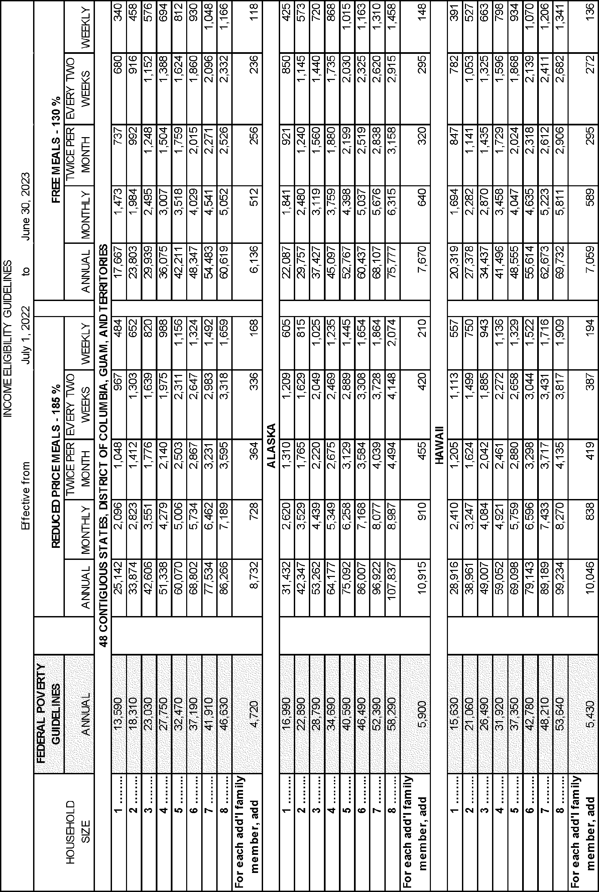

Cynthia Long, Administrator, USDA Food and Nutrition Service. [FR Doc. 2022–03261 Filed 2–15–22; 8:45 am] BILLING CODE 3410–30–C |  |  | exchanges can be initiated by a non- Federal party (or parties), an agent of a landowner, a broker, a third party, or a non-Federal public agency. Each land exchange requires |  |  | purposes and the proper performance of the functions of the Agency, including whether the information will have practical or scientific utility; (2) the accuracy of the Agency’s estimate of the
preparation of an Agreement to Initiate as required by title 36 Code of Federal |  |  |  |  |  | burden of the collection of information, including the validity of the

DEPARTMENT OF AGRICULTURE Forest Service Information Collection: Land Exchanges AGENCY: Forest Service, USDA. ACTION: Notice; request for comment. SUMMARY: In accordance with the Paperwork Reduction Act of 1995, the USDA Forest Service is seeking comments from all interested individuals and organizations on the extension without revision of a currently approved information collection, Land Exchanges. DATES: Comments must be received in writing on or before April 18, 2022 to be assured of consideration. Comments received after that date will be considered to the extent practicable. ADDRESSES: Commenters are encouraged to submit comments by email, if possible. You may submit comments by any of the following methods: • Email: betty.jewett@usda.gov. • Mail: Betty Jewett, National Program Specialist, Lands, Forest Service, 201 14th Street SW, Suite 1SE, Mail Stop 1124, Washington, DC 20024. • Hand Delivery/Courier: Betty |  |  |  | Regulations (CFR), part 254, subpart A— section 254.4—Agreement to Initiate. The Agreement to Initiate document specifies the preliminary and non- binding intentions of the non-Federal land exchange party and the Forest Service in pursuing a land exchange. The Agreement to Initiate can contain such information as the description of properties being considered in the land exchange, an implementation schedule of action items, identification of the party responsible for each action item, as well as target dates for completion of each action item. As the exchange proposal develops, the Forest Service and the non-Federal land exchange party may enter into a binding Exchange Agreement, pursuant to Title 36 CFR part 254, subpart A, section 254.14—Exchange Agreement. The Exchange Agreement documents the conditions that must be met to complete the exchange. The Exchange Agreement can contain information such as identification of parties, description of lands and interests to be exchanged, identification of all reserved and outstanding interest, and all other terms and conditions necessary to complete the exchange. The Forest Service collects the |  | methodology and assumptions used; (3) ways to enhance the quality, utility, and clarity of the information to be collected; and (4) ways to minimize the burden of the collection of information on respondents, including the use of automated, electronic, mechanical, or other technological collection techniques or other forms of information technology. All comments received in response to this notice, including names and addresses when provided, will be a matter of public record. Comments will be summarized and included in the submission request toward Office of Management and Budget approval. Chris French, Deputy Chief, National Forest System. [FR Doc. 2022–03298 Filed 2–15–22; 8:45 am] BILLING CODE 3411–15–P DEPARTMENT OF AGRICULTURE Forest Service Information Collection; Fire & Aviation Management Medical Qualifications Program AGENCY: Forest Service, USDA. ACTION: Notice; request for comment.

Jewett, National Program Specialist, |  |  | information from the non-Federal party
Lands, Forest Service, 201 14th Street SW, Suite 1SE, Mail Stop 1124, Washington, DC 20024. • Telephone: 770–540–4800. • Facsimile: 703–605–5117. FOR FURTHER INFORMATION CONTACT: Betty Jewett, National Program Specialist, Lands, at 770–540–4800. Individuals who use telecommunication devices for the deaf (TDD) may call the Federal Relay Service (FRS) at 1–800– 877–8339 between 8 a.m. and 8 p.m., Eastern Standard Time, Monday through Friday. SUPPLEMENTARY INFORMATION: Title: Land Exchanges. OMB Number: 0596–0105. Expiration Date of Approval: November 30, 2022. Type of Request: Extension without revision of a currently approved information collection. Abstract: Land exchanges are discretionary, voluntary real estate transactions between the Secretary of Agriculture (acting by and through the Forest Service) and a non-Federal exchange party (or parties). Land |  |  |  | (or parties) necessary to complete the Agreement to Initiate and the Exchange Agreement. The information is collected by Forest Service personnel from parties involved in the exchange via telephone, email or in person. Data from this information collection is unique to each land exchange and is not available from other sources. No standardized forms are associated with this information collection. Estimate of Annual Burden Agreement to Initiate: 3 hours. Exchange Agreement: 1 hour. Type of Respondents: Non-Federal party (or parties) that can include landowners, agents of landowners, brokers, a third party or a non-Federal public agency. Estimated Annual Number of Respondents: 25. Estimated Annual Number of Responses per Respondent: 1.826. Estimated Total Annual Burden on Respondents: 88. Comment Is Invited: Comment is invited on: (1) Whether this collection of information is necessary for the stated |  | SUMMARY: In accordance with the Paperwork Reduction Act of 1995, the USDA Forest Service is seeking comments from all interested individuals and organizations on the renewal with revisions of a currently approved information collection, Fire & Aviation Management Medical Qualifications Program. DATES: Comments must be received in writing on or before April 18, 2022 to be assured of consideration. Comments received after that date will be considered to the extent practicable. ADDRESSES: Commenters are encouraged to submit comments by email, if possible. You may submit comments by any of the following methods: • Email: jennifer.symonds@usda.gov. • Mail: Dr. Jennifer Symonds, USDA Forest Service, National Interagency Fire Center, 3833 South Development Avenue, Boise, Idaho 83705. • Hand Delivery/Courier: Dr. Jennifer Symonds, USDA Forest Service, National Interagency Fire Center, 3833 South Development Avenue, Boise, Idaho 83705.

